PhenoCycler (Akoya Names)
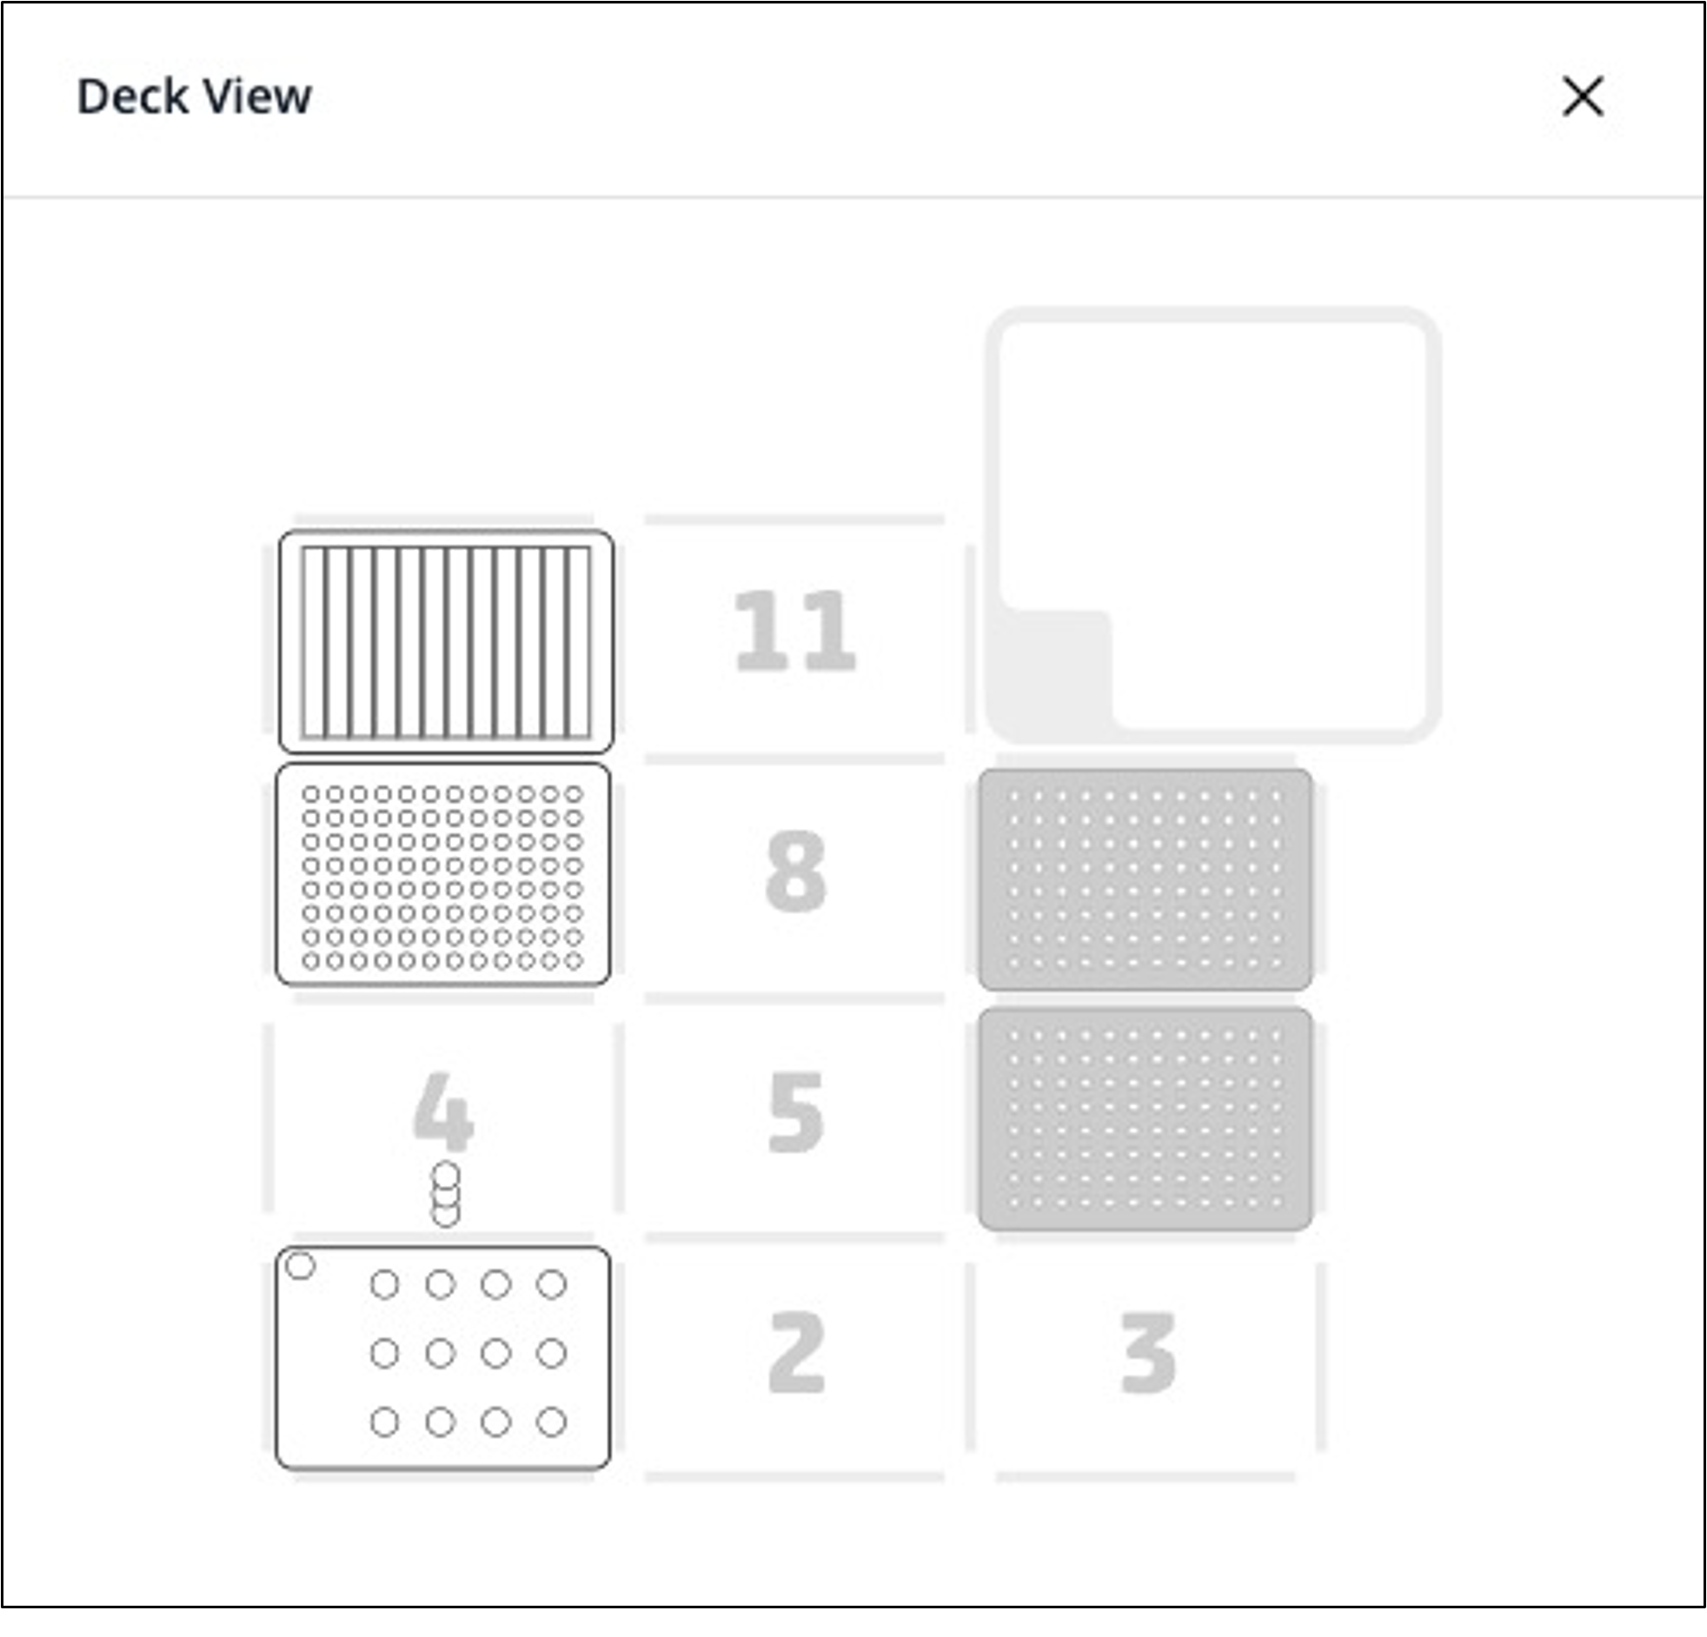
Important! Each of the 12 columns corresponds one of the 12 samples in the Omni-stainer S12/C12. Important! Adjust the values below (click for drop down selection) and the spreadsheet will auto-fill
Omni-Stainer module type |  |  | S12 |  | Assemble Flow Cells in PBS or Hydration Buffer
Num samples: |  |  | 5
FFPE: |  |  | No
Antibody screening mode |  |  | Yes
Antibody cocktail / slide (μL) |  |  | 150 | (general AB cocktail/slide) = |  |  | 120 μL

Deck position 10: |  | Buffers reservoir (12-trough, sealed with a pierceable sealing sheet)
 | 1 | 2 | 3 | 4 | 5 | 6 | 7 | 8 | 9 | 10 | 11 | 12 | Reagent Volume
A | Hydration Buffer | Staining Buffer | Storage Buffer + 1.6% PFA | MeOH | 1x PBS | PhenoCyler (1x CODEX buffer) | Screening Buffer (12mL 1x CODEX buffer with 3mL DMSO) | Screening Buffer (3mL 1x CODEX buffer mixed with 12mL DMSO) | Storage Buffer | X | X | X | 15 mL

Deck position 7: |  | Antibody plate (96-well plate, sealed with aluminum sheet). Columns corresponds to samples in the Omni-stainer. Antibody mixes can be the same or different between columns
 | 1 | 2 | 3 | 4 | 5 | 6 | 7 | 8 | 9 | 10 | 11 | 12 | Well Volume | Reagent Preparation instructions
А | Blocking Buffer | Blocking Buffer | Blocking Buffer | Blocking Buffer | Blocking Buffer |  |  |  |  |  |  |  | 150 μL | PhenoCycler Blocking Buffer: Staining Buffer with N, G, J, & S Blockers - but without antibodies
B | Ab cocktail 1 | Ab cocktail 2 | Ab cocktail 3 | Ab cocktail 4 | Ab cocktail 5 |  |  |  |  |  |  |  | 150 μL | Antibody Cocktail Solution: Staining Buffer with N, G, J, & S Blockers, WITH PhenoCycler and Custon-Conjugated Antibodies
C | Fixative Reagent | Fixative Reagent | Fixative Reagent | Fixative Reagent | Fixative Reagent |  |  |  |  |  |  |  | 7.5 μL | Fixative Reagent: aliquots can be safely stored at room temperature for the duration of the protocol, as long as the plate is sealed with aluminum sheet immediately after filling
D | Detector Mix #1 | Detector Mix #2 | Detector Mix #3 | Detector Mix #4 | Detector Mix #5 |  |  |  |  |  |  |  | 150 μL | =IF($D$5="Yes","Reporter Master Mix : Reporter Stock Solution with up to 3 Reporters, as per Akoya Instructions ","")
E
F
G
H

 |  |  |  |  |  | Important! One must use fresh Fixative Reagent aliquots every time
 |  |  |  |  |  | In our experience, antibody staining quality can be compromised by using Fixative Reagent aliquots are nearing expiration
 |  |  |  |  |  | If that is happening, we recommend making replacement fixative aliquots by dissolving BS3 in dry DMSO as described in PMID34215862
Important! Assemble Flow Cells in PBS |  |  |  |  |  | Solute | BS3 Crosslinker | 50 mg | Thermo Fisher 21580
Deck position 1: |  | Omni-Stainer S12 module |  |  |  | Solvent | Dry DMSO | 250 μL | Sigma D2650-5X5ML
 | 1 | 2 | 3 | 4 |  | Mix thoroughly, dispense into 20ul Aliquots in PCR strips, store at -20C
A | Sample | Sample | Sample | Sample
B | Sample
C |  |  |  |  |  | Blocking Buffer, Antibody Cocktail, Reporter Stock, Reporter Master Mix (Probe mix) Calculator: input numbers into Input Cells (see format key) |  |  |  |  |  | Format Key
 |  |  |  |  | Format Key | For Staining (Antibody Plate)
 |  |  |  |  |  | total Ab [μL]/sample | 44 |  |  |  |  | Input Cell
Deck position 6: |  | 300 μL Tip rack #1 |  |  | Input Cell | Num samples: | 5 |  |  |  |  | Linked Cell
Deck position 9: |  | 300 μL Tip rack #2 |  |  | Linked Cell |  |  |  |  |  |  | Calculation
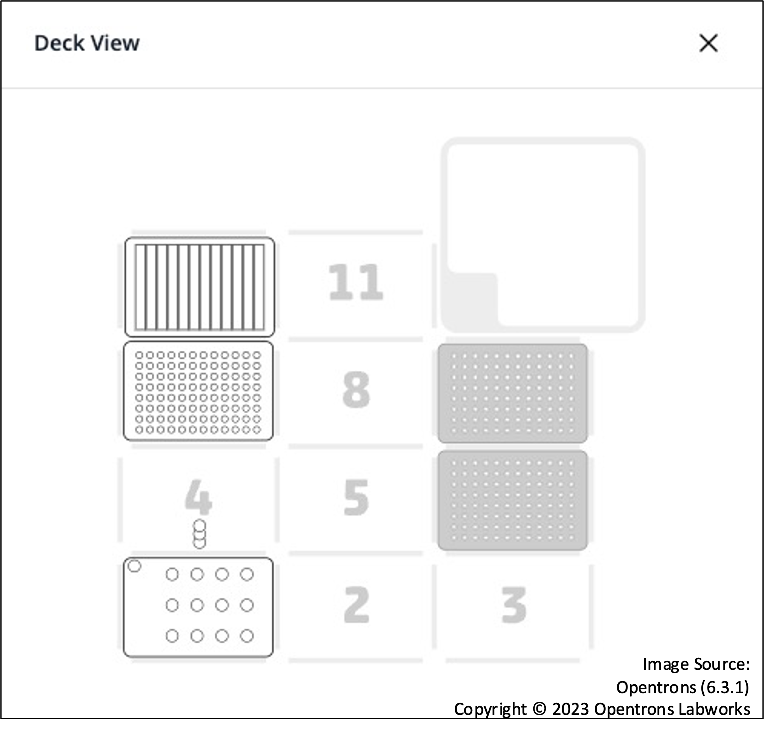
 |  |  |  |  | Calculation | REAGENT | Blocking Buffer (Preblock) [Row A] | Ab Cocktail Solution [Row B] | Manual/sample | Automated/sample | Percentage | SUM
 |  |  |  |  | SUM | Staining Buffer | 678.8 | 458.8 | 181 | 13575.00% | 90.50% | Ignore me cell
 |  |  |  |  | Ignore me cell | N Blocker | 17.8 | 17.8 | 4.75 | 356.25% | 2.38% | STATIC cell
 |  |  |  |  | STATIC cell | G Blocker | 17.8 | 17.8 | 4.75 | 356.25% | 2.38%
 |  |  |  |  |  | J Blocker | 17.8 | 17.8 | 4.75 | 356.25% | 2.38%
 |  |  |  |  |  | S Blocker | 17.8 | 17.8 | 4.75 | 356.25% | 2.38%
 |  |  |  |  |  | Total Antibodies | 0.0 | 220.0 | 0 | 0.00% | 0.00%
 |  |  |  |  |  | Total [μL] | 750 | 750 | 200 | 15000.00% | 100%
 |  |  |  |  |  | For Antibody Testing Mode
 |  |  |  |  |  | Component | Reporter Stock Solution volume (ul) | Reporter Stock Solution volume needed, exact (ul) | Reporter Stock Solution volume (to make round numbers)
 |  |  |  |  |  | 1X PCF Buffer | 265 | 622.8 | 530
 |  |  |  |  |  | Assay Reagent | 25 | 58.8 | 50
 |  |  |  |  |  | DAPI (5ul for PCF 1.0, 10ul for PCF 2.0) | 10 | 23.5 | 20
 |  |  |  |  |  | SUM | 300 | 705 | 600 | 600
 |  |  |  |  |  |  |  | ^actual needed amount | 85.1% | <- conversion factor for simple numbers

 |  |  |  |  |  |  | Input Reporter Master Mix (vol ul) | Output Reporter Master Mix (vol ul) [Row D] |  | ul / Per 120 ul well
 |  |  |  |  |  | Reporter Stock Solution | 235 | 141 |  | 112.8
 |  |  |  |  |  | Reporter 1 | 5 | 3 |  | 2.4
 |  |  |  |  |  | Reporter 2 | 5 | 3 |  | 2.4
 |  |  |  |  |  | Reporter 3 | 5 | 3 |  | 2.4
 |  |  |  |  |  | SUM (check) | 250 | 150 |  | 120
 |  |  |  |  |  | Input Sum Value | 250

CODEX (Nolan Names)
Default Deck Layout
Important! Each of the 12 columns corresponds one of the 12 samples in the Omni-stainer S12/C12. Important! Adjust the values below (click for drop down selection) and the spreadsheet will auto-fill
Omni-Stainer module type |  |  | S12
Num samples: |  |  | 6
FFPE: |  |  | No
Antibody screening mode |  |  | Yes

Deck position 10: |  | Buffers reservoir (12-trough, sealed with a pierceable sealing sheet)
 | 1 | 2 | 3 | 4 | 5 | 6 | 7 | 8 | 9 | 10 | 11 | 12 | Reagent Volume
A | S1 or PBS + 1.6% PFA | S2 | S3 + 4% PFA | MeOH | 1x PBS | =IF(D5="No","X","AC1 (1x PCFbuffer)") | Screening buffer (12mL 1x CODEX buffer mixed with 3mL DMSO) | Screening buffer (3mL 1x CODEX buffer mixed with 12mL DMSO) | S3 | X | X | X | 15 mL
 |  |  |  |  |  |  | staining buffer | retrieval buffer
Deck position 7: |  | Antibody plate (96-well plate, sealed with aluminum sheet). Columns corresponds to samples in the Omni-stainer. Antibody mixes can be the same or different between columns |  |  |  |  |  |  |  |  |  |  |  | Reagent Preparation instructions
 | 1 | 2 | 3 | 4 | 5 | 6 | 7 | 8 | 9 | 10 | 11 | 12 | Reagent Volume
А | Preblock | Preblock | Preblock | Preblock | Preblock | Preblock |  |  |  |  |  |  | 120 μL | Staining buffer without antibodies, but with blocking components N/J/G/S
B | Ab cocktail 1 | Ab cocktail 2 | Ab cocktail 3 | Ab cocktail 4 | Ab cocktail 5 | Ab cocktail 6 |  |  |  |  |  |  | 120 μL | Antibody mix in Staining buffer with blocking components N/J/G/S, as per Akoya instructions
C | Reagent F | Reagent F | Reagent F | Reagent F | Reagent F | Reagent F |  |  |  |  |  |  | 5 μL | Reagent F aliquots can be safely stored at room temperature for the duration of the protiocol, as long as the plate is sealed with aluminum sheet immediately after filling
D | Detector Mix #1 | Detector Mix #2 | Detector Mix #3 | Detector Mix #4 | Detector Mix #5 | Detector Mix #6 |  |  |  |  |  |  | 120 μL
E |  |  |  |  |  |  |  |  |  |  |  |  |  | Important! One must use fresh reagent F aliquots every time
F |  |  |  |  |  |  |  |  |  |  |  |  |  | In our experience, antibody staining quality can be compromised by using Reagent F aliquots are nearing expiration
G |  |  |  |  |  |  |  |  |  |  |  |  |  | If that is happening, we recommend making replacement fixative aliquots by dissolving BS3 in dry DMSO as described in PMID34215862
H |  |  |  |  |  |  |  |  |  |  |  |  |  | 1: take | BS3 Crosslinker | 50 mg | Thermo Fisher 21580 | Mix thoroughly, dispense into 20ul Aliquots in PCR strips, store frozen at -20C
 |  |  |  |  |  | H2 | R1 | R2 |  |  |  |  |  | 2: dissolve in | Dry DMSO | 250 μL | Sigma D2650-5X5ML
 |  |  |  |  |  |  | staining buffer | Stripping

Deck position 1: |  | Omni-Stainer S12 module |  |  |  |  | S1- Hydration buffer |  |  | 3
 | 1 | 2 | 3 | 4 |  |  | S2-Staining buffer
A | Sample | Sample | Sample | Sample |  |  | S3- Storage buffer
B | Sample | Sample |  |  |  |  | AC1- PhenoCycler (CODEX 1X)
C |  |  |  |  |  |  | Assay component- ssDNA
 |  |  |  |  |  |  | S blocker-ssDNA
 |  |  |  |  |  |  | G blocker- blocking oligos
Deck position 6: |  | 300 μL Tip rack #1 |  |  |  |  | N blocker and J blocker- IgG mouse and rat
Deck position 9: |  | 300 μL Tip rack #2 |  |  |  |  | BS3- Fixative reagent |  |  |  | 25%
 |  |  |  |  |  |  |  |  |  |  | 80%
 |  |  |  |  |  |  | PCF buffer
 |  |  |  |  |  |  | Screening Buffer = CODEX Buffer
 |  |  |  |  |  |  | CODEX buffer = PCF Buffer
 |  |  |  |  |  |  | CODEX buffer =/= CODEX buffer now
 |  |  |  |  |  |  | AC1 = CODEX
 |  |  |  |  |  |  | S3 = mew codex buffer

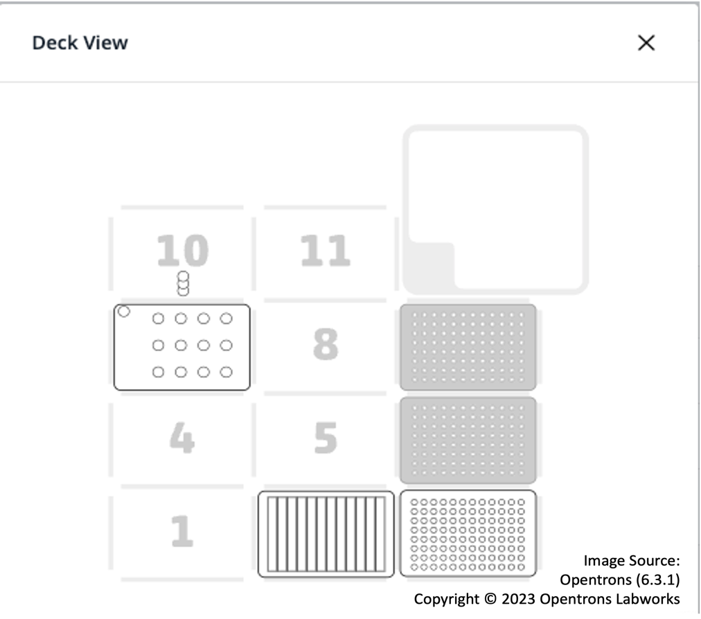

An alternative working deck layout

